CODING BRIEF
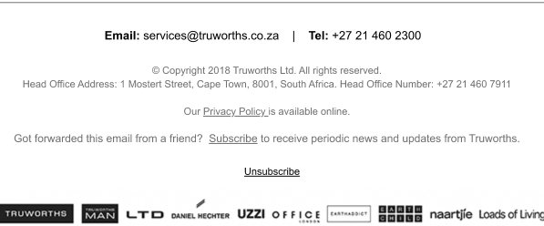
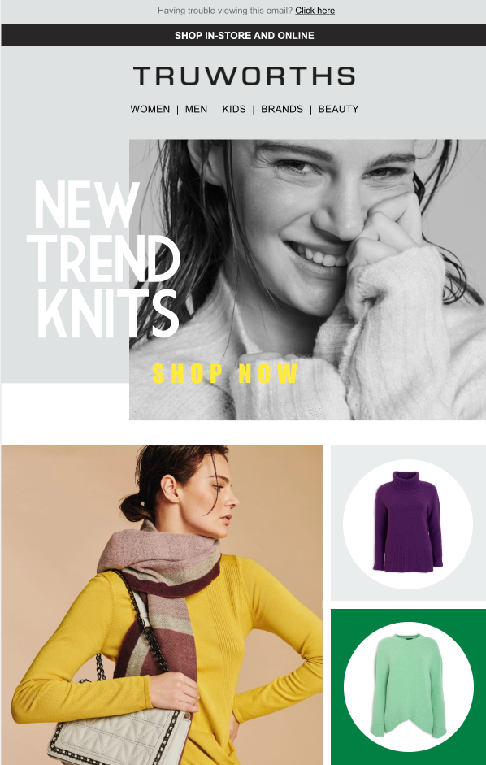
L I N K S
LINKS
LOGO | https://www.truworths.co.za/

N A V I G A T I O N
WOMEN | https://www.truworths.co.za/browse/Ladies/_/N-1txkolj
MEN | https://www.truworths.co.za/browse/Mens/_/N-1t1xp1
KIDS | https://www.truworths.co.za/browse/Kids/_/N-1rr83uj
BEAUTY | https://www.truworths.co.za/browse/_/N-115y8nw
BRANDS | https://www.truworths.co.za/browse/

E M A I L B O D Y

AREA DESCRIPTION | Header Image
LINK | https://www.truworths.co.za/browse/Ladies-Knitwear/_/N-1019ag
ALT TEXT | New trend knits. Shop now

AREA DESCRIPTION | Fashion image 1
LINK | https://www.truworths.co.za/browse/Ladies-Knitwear/_/N-1019ag
ALT TEXT | Yellow ladies knit

AREA DESCRIPTION | Product image 1 | `
LINK | https://www.truworths.co.za/cat2subcat11/prod7899677/productDetail/Magenta-Cowlneck-Jumper/
ALT TEXT | Magenta cowlneck jumper

AREA DESCRIPTION | Product image 2
LINK | https://www.truworths.co.za/cat2subcat11/prod8304878/productDetail/Curved-Hem-Jumper/
ALT TEXT | Curved hem jumper

AREA DESCRIPTION | Product image 3
LINK | https://www.truworths.co.za/cat2subcat11/prod8304693/productDetail/Red-Cable-Skinny-Jumper/
ALT TEXT | Red cable skinny jumper

AREA DESCRIPTION | Fashion image 2
LINK | https://www.truworths.co.za/browse/Ladies-Knitwear/_/N-1019ag
ALT TEXT | Lady in cardigan

AREA DESCRIPTION | Product image 4
LINK | https://www.truworths.co.za/cat2subcat11/prod4800599/productDetail/Black-Multi-Cardigan/
ALT TEXT | Black colourblock cardigan

AREA DESCRIPTION | Product image 5
LINK | https://www.truworths.co.za/cat2subcat11/prod4794923/productDetail/Grey-Cardigan/
ALT TEXT | Grey cardigan

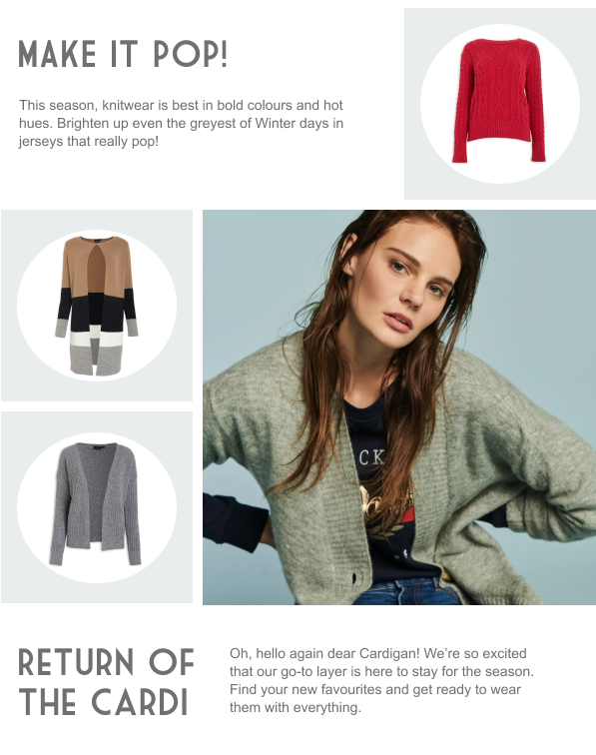
AREA DESCRIPTION | Fashion image 3
LINK | https://www.truworths.co.za/browse/Ladies-Knitwear/_/N-1019ag
ALT TEXT | Lady in textured knit

AREA DESCRIPTION | Product image 6
LINK | https://www.truworths.co.za/cat2subcat11/prod3248957/productDetail/Milk-Stitch-Jumper/
ALT TEXT | Milk stitch jumper

AREA DESCRIPTION | Product image 7
LINK | https://www.truworths.co.za/cat2subcat11/prod9404700/productDetail/Leopard-Skinny-Jumper/
ALT TEXT | Leopard print skinny jumper

AREA DESCRIPTION | Product image 8
LINK | https://www.truworths.co.za/cat2subcat11/prod8304939/productDetail/Mocha-Cable-Jumper/
ALT TEXT | Mocha cable jumper

AREA DESCRIPTION | Shop Knitwear Button
LINK | https://www.truworths.co.za/browse/Ladies-Knitwear/_/N-1019ag

B O T T O M N A V I G A T I O N
Knitwear For Women | https://www.truworths.co.za/browse/Ladies-Knitwear/_/N-1019ag
Knitwear For Men | https://www.truworths.co.za/browse/Mens-Knitwear/_/N-11zhfkc
Knitwear For Kids | https://www.truworths.co.za/browse/Kids/_/N-1rr83uj?Ntt=knitwear

S O C I A L I C O N S
FACEBOOK | https://www.facebook.com/TruworthsFashion
TWITTER | https://twitter.com/TruworthsTweets
INSTAGRAM | http://instagram.com/truworthsfashion
STORE LOCATOR | https://www.truworths.co.za/en_za/storelocations

O T H E R
CLICK HERE TO SEND US AN EMAIL | Email should send to services@truworths.co.za
EMAIL PRIVACY POLICY | https://www.truworths.co.za/en_za/staticpage/privacy
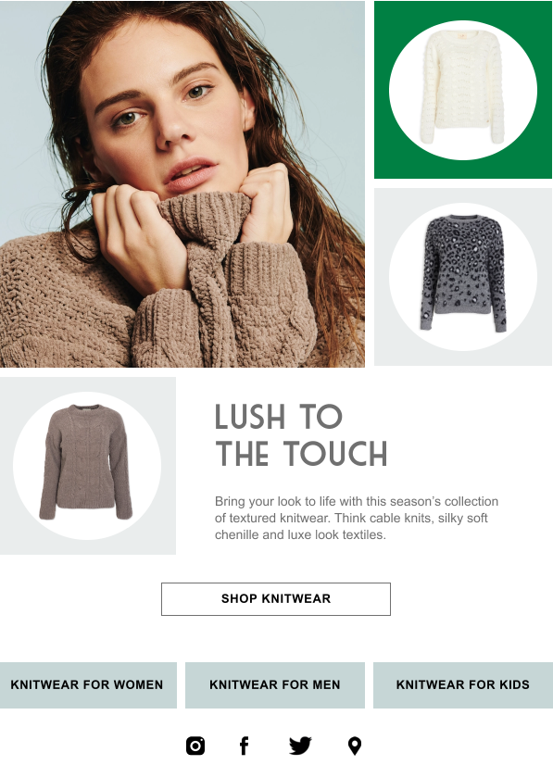
LOGO STRIP | https://www.truworths.co.za/

